Sheet1
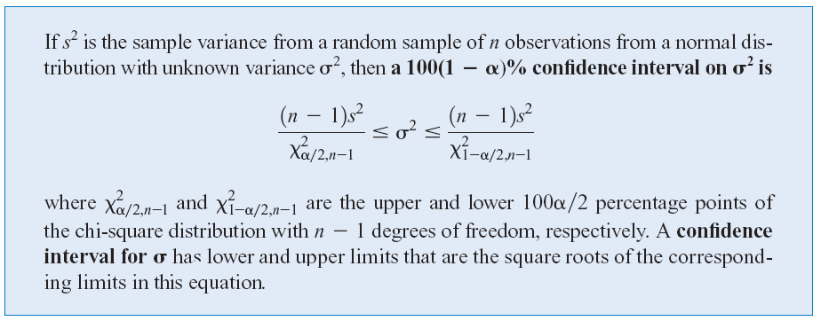
Name | Height
Techo | 173
Lavish | 166
Kim | 180
Matt | 185
Pin | 177
Kim | 168
Earth | 154
Phufah | 175
Thann | 177
Fluke | 175 | Sample Size | 21 | B2 -> B22
Fuse | 171 | Sample Variance (s2) | 48.257142857
Win | 171 | Confident Interval (CI) | 99%
Noon | 168 | Alpha (a) | 0.01
Jean | 164 | Alpha/2 (a/2) | 0.005
Amy | 163 | d.f. | 20
KJ | 178 | Chi-square (c2) (alpha/2) | 39.9968 |  | Chi-square (c^2)(1-alpha/2) | 7.4338442629
Phu | 170
Aki | 170 | Lower Confidence Bound of Variance |  |  | 24.1305
Phin | 168 | Upper Confidence Bound of Variance |  |  | 129.8309
Bun | 180 | Lower Confidence Bound of Standard Deviation |  |  | 4.9123
Amro | 170 | Upper Confidence Bound of Standard Deviation |  |  | 11.3943

